INTRO
Guide to Sports Analytics

Introduction | About

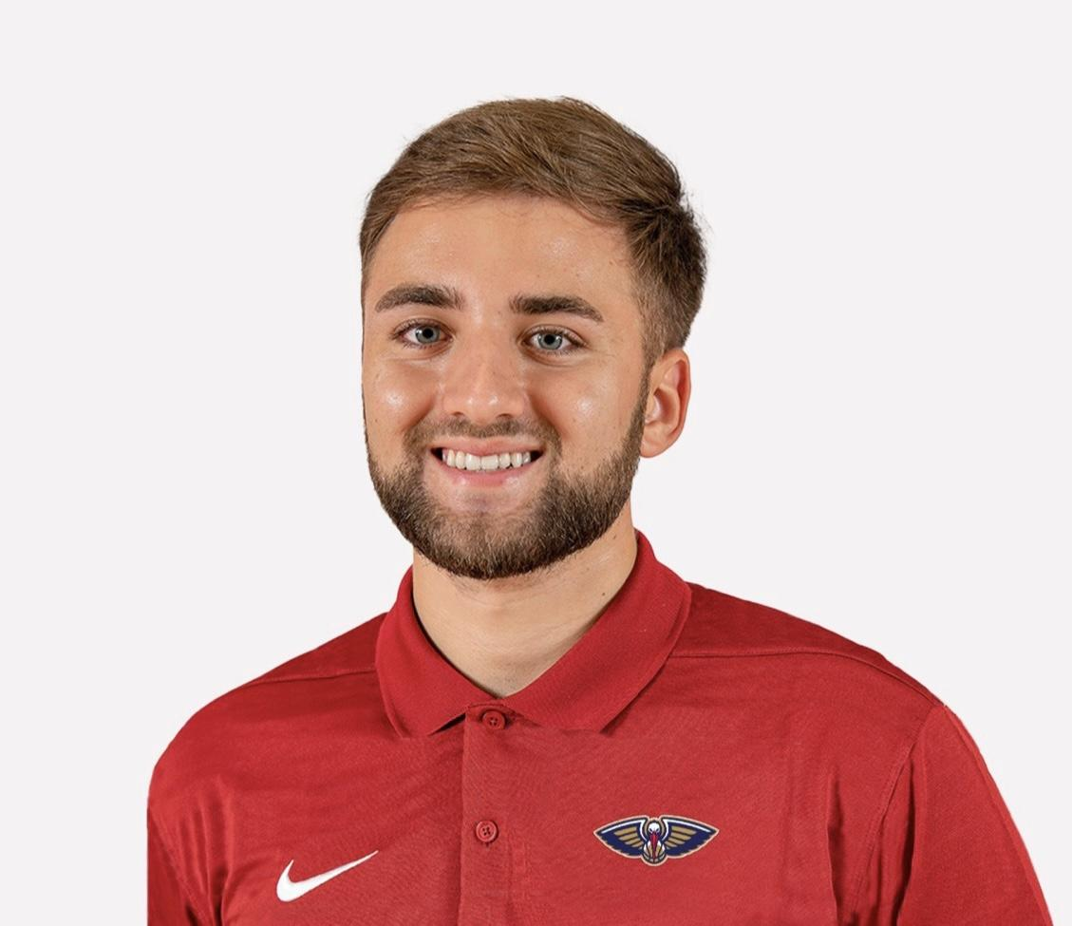
- Hello there! Welcome to a compherensive guide to sports analytics that I've put together over the pasts few years. - Here, you'll find an extensive list of coding tutorials, sports analysts to follow, books/blogs, web apps, research papers, & more! - Most importantly, none of this would be possible without the public work of all the great sports analysts out there! Nearly 99% of everything listed has been produced by others, so in no way do I claim it as my own. The SA community is incredible! - The goal of this is to showcase the best work, coding tutorials, and overall learning materials in order to lower the barrier to entry for those that are interested in the sports analytics field! - Feel free to follow myself (@DSamangy) and those listed throughout on Twitter. Always open to answering any questions! - As of now, the guide covers the following four analytical softwares: - R: an open-source programming language that is widely used as a statistical software, graphics, data analysis tool. - Python: a computer programming language used to build websites, software, automate tasks, & conduct data analysis. - Tableau: a leading data visualization tool used for data analysis and business intelligence. - SQL: a computer language for storing, manipulating and retrieving data stored in a relational database.
 | Dominic Samangy - I’m currently the Basketball Analytics Coordinator for the New Orleans Pelicans with past experience with the Arkansas ('22-'23) and Syracuse ('18-'22) Men's Basketball Programs. - Prior to New Orleans, I worked with several NBA trainers, players, and agencies. I’ve also partaken in research projects & competitions. In April 2022, I led a group of undergraduate classmates as we won the Milwaukee Bucks’ inaugural basketball analytics hackathon. I’ve also presented co-authored research at the MIT Sloan Sports Analytics Conference, the Carnegie Mellon Sports Analytics Conference, the Midwest Analytics Conference, and the 8th Western Football and Finance Conference in London. My Timeline: New Orleans Pelicans (2023-Present) - Basketball Analytics Coordinator NBA Analytics Consultant (2021-2023) - Player Development, Scouting, and Draft Arkansas MBB (2022-2023) - Grad Assistant Coach & Analytics Coordinator Syracuse MBB (2018-22) - Student Manager

 |  | Twitter: | @DSamangy
 |  | LinkedIn: | DomSamangy
 |  | YouTube: | @domsamangy
 |  | GitHub: | DomSamangy

